Answers
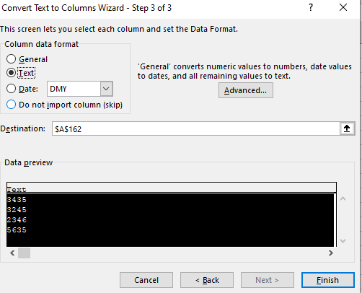
1.Split the following column to columns: |  |  | All rights reservered:
 |  |  | www.Excel-Practice-Online.com
Name~Age~Favorite Color
Dan~33~Yellow
Gil~27~Red
Tom~33~Blue
Sammy~28~Black
Sharon~22~Pink

Solution:

Name | Age | Favorite Color
Dan | 33 | Yellow
Gil | 27 | Red
Tom | 33 | Blue
Sammy | 28 | Black
Sharon | 22 | Pink

Select the cells you want to split to columns:

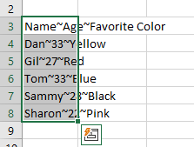

Go to Data ribbon and click Text to Columns:

Select Delimited and click "Next":

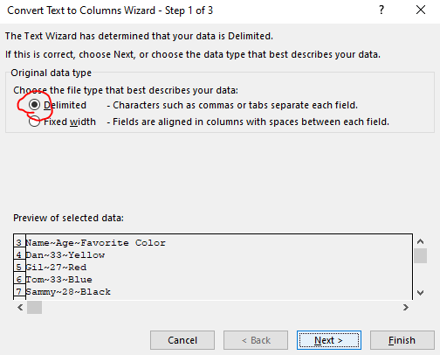

Type the ~ (Tilde) Delimiter in "Other" and click "Finish"

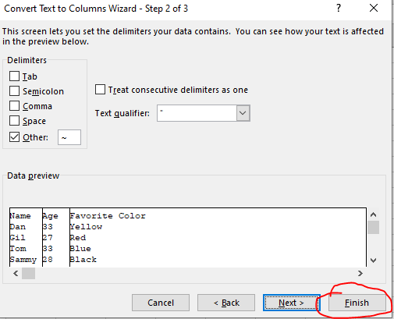

2. Convert the American Dates to European Dates:

Date
5/20/15
3/15/17
4/16/2016
9/30/2015
2017-05-04

Solution:

Date
2015-05-20
2017-03-15
2016-04-16
2015-09-30
2017-04-05

Select the relevant cells, then click "Text to Columns" and choose "Delimited".
Do not select any delimiter and click "Next"
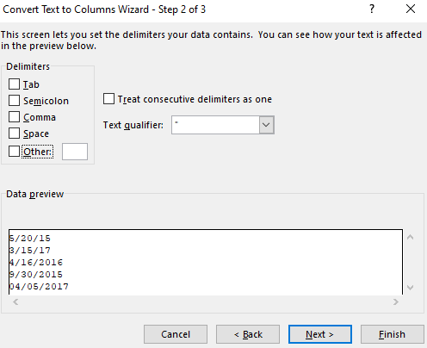

Select "Date" and choose the current date format - MDY and click "Finish"

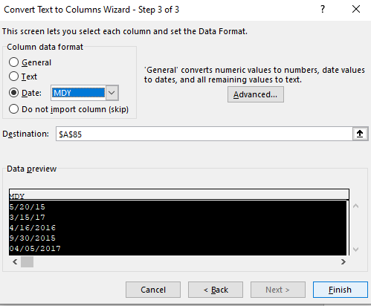

3. Convert the following values from numbers to text:

ID | Is it text?
3435 | FALSE
3245 | FALSE
2346 | FALSE
5635 | FALSE

Solution:

ID | Is it text?
3435 | TRUE
3245 | TRUE
2346 | TRUE
5635 | TRUE

Select the relevant cells, then click "Text to Columns" and choose "Delimited".
In Step 2, Do not select any delimiter and click "Next"
In Step 3, Choose "Text" in Column data format:

